D1
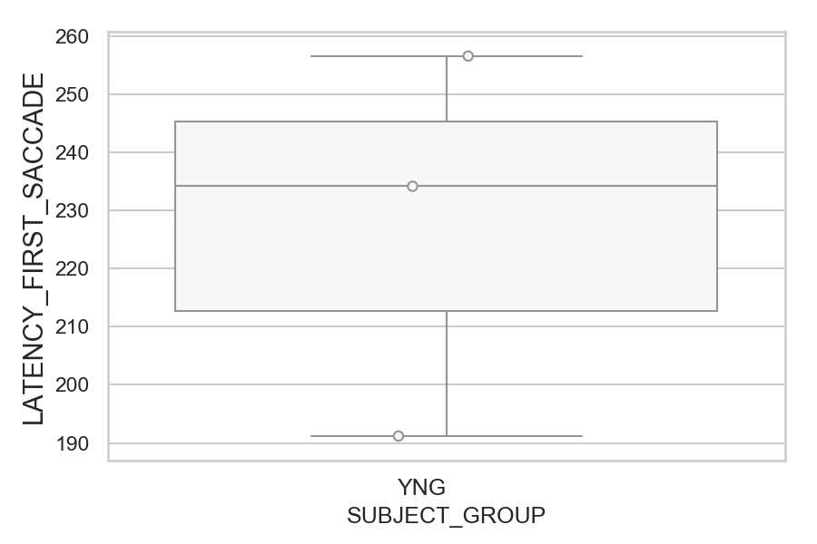
Latency of the first saccade after target onset regardless of its direction (ms)(mean latency of all trials per subject)
SUBJECT_NAME | SUBJECT_GROUP | SUBJECT_AGE | VALUE
MP1 | YNG |  | 256.61538462
AW002AF | YNG | 19 | 234.19230769
AW001CG | YNG | 19 | 191.19230769

D1 (types)
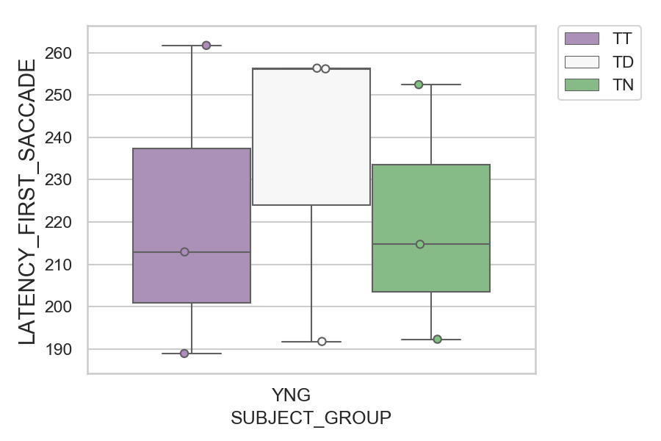
Latency of the first saccade after target onset regardless of its direction (ms)(mean latency of all trials per subject)
SUBJECT_NAME | SUBJECT_GROUP | CONDITION_APPEARANCE | SUBJECT_AGE | VALUE
MP1 | YNG | TT |  | 261.69230769
MP1 | YNG | TD |  | 256.32
AW002AF | YNG | TD | 19 | 256.16
MP1 | YNG | TN |  | 252.42857143
AW002AF | YNG | TN | 19 | 214.71428571
AW002AF | YNG | TT | 19 | 212.92307692
AW001CG | YNG | TN | 19 | 192.28571429
AW001CG | YNG | TD | 19 | 191.76
AW001CG | YNG | TT | 19 | 188.92307692

D2
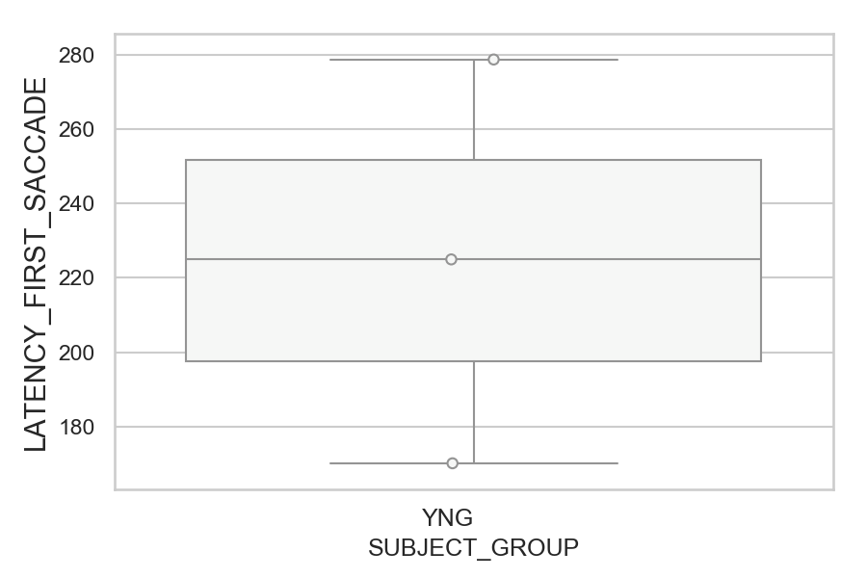
Latency of the first saccade after target onset regardless of its direction (ms)(mean latency of all trials per subject)
SUBJECT_NAME | SUBJECT_GROUP | SUBJECT_AGE | VALUE
AW002AF | YNG | 19 | 278.76923077
MP1 | YNG |  | 224.96153846
AW001CG | YNG | 19 | 170.07843137

D2 (types)
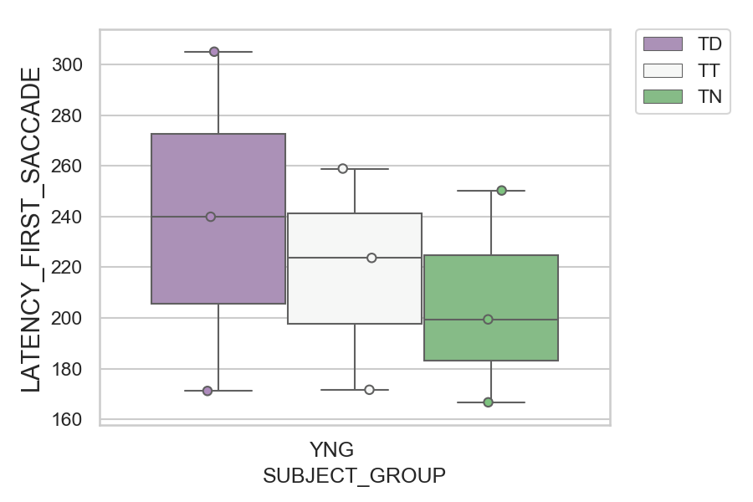
Latency of the first saccade after target onset regardless of its direction (ms)(mean latency of all trials per subject)
SUBJECT_NAME | SUBJECT_GROUP | CONDITION_APPEARANCE | SUBJECT_AGE | VALUE
AW002AF | YNG | TD | 19 | 305.04
AW002AF | YNG | TT | 19 | 258.92307692
AW002AF | YNG | TN | 19 | 250.28571429
MP1 | YNG | TD |  | 239.92
MP1 | YNG | TT |  | 223.69230769
MP1 | YNG | TN |  | 199.42857143
AW001CG | YNG | TT | 19 | 171.66666667
AW001CG | YNG | TD | 19 | 171.2
AW001CG | YNG | TN | 19 | 166.71428571

D2 (no D1 failed)

Latency of the first saccade after target onset regardless of its direction (ms)(mean latency of all trials per subject)
SUBJECT_NAME | SUBJECT_GROUP | SUBJECT_AGE | VALUE
AW002AF | YNG | 19 | 278.76923077
MP1 | YNG |  | 223.84
AW001CG | YNG | 19 | 170.07843137

D2 (no D1 failed) (types)

Latency of the first saccade after target onset regardless of its direction (ms)(mean latency of all trials per subject)
SUBJECT_NAME | SUBJECT_GROUP | CONDITION_APPEARANCE | SUBJECT_AGE | VALUE
AW002AF | YNG | TD | 19 | 305.04
AW002AF | YNG | TT | 19 | 258.92307692
AW002AF | YNG | TN | 19 | 250.28571429
MP1 | YNG | TD |  | 238.7826087
MP1 | YNG | TT |  | 223.69230769
MP1 | YNG | TN |  | 199.42857143
AW001CG | YNG | TT | 19 | 171.66666667
AW001CG | YNG | TD | 19 | 171.2
AW001CG | YNG | TN | 19 | 166.71428571

